Sheet1
 |  |  |  | 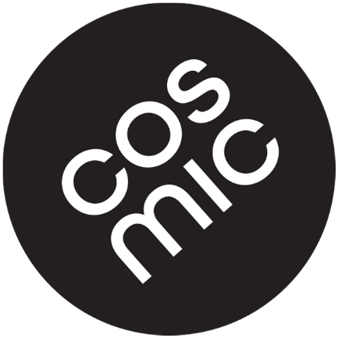 |  |  |  |  | Cosmic Grips Mevo Hama Israel 1293400 nir@cosmicgrips.com www.cosmicgrips.com +972-52-4775128
Gym Order Form 2021 (all prices are without VAT)

Range | set | Holds/Set | Price | Jet Black | Traffic Red | Light Blue | Green | Set Qty | Holds Qty | Total
Monobloc | XS1 | 5 | $14 |  |  |  |  | 0 | 0 | $0
 | S1 | 5 | $27 |  |  |  |  | 0 | 0 | $0
 | S2 | 5 | $46 |  |  |  |  | 0 | 0 | $0
 | M1 | 5 | $78 |  |  |  |  | 0 | 0 | $0
 | M2 | 5 | $99 |  |  |  |  | 0 | 0 | $0
 | M3 | 5 | $103 |  |  |  |  | 0 | 0 | $0
 | M4 | 5 | $95 |  |  |  |  | 0 | 0 | $0
 | L1 | 5 | $133 |  |  |  |  | 0 | 0 | $0
Leaf | S1 | 6 | $26 |  |  |  |  | 0 | 0 | $0
 | S2 | 6 | $26 |  |  |  |  | 0 | 0 | $0
 | M1 | 6 | $89 |  |  |  |  | 0 | 0 | $0
 | M2 | 6 | $95 |  |  |  |  | 0 | 0 | $0
 | M3 | 6 | $91 |  |  |  |  | 0 | 0 | $0
 | L1 | 6 | $234 |  |  |  |  | 0 | 0 | $0

 |  |  |  |  |  |  |  | Holds Price |  | $0 | Ordering details
 |  |  |  |  |  |  |  | Set Nb. |  | 0 | Full name
 |  |  |  |  |  |  |  | Holds Nb. |  | 0 | Company
 |  |  |  |  |  |  |  | Discount |  | $0 | Phone
 |  |  |  |  |  |  |  | Transport |  | $0 | E-Mail
 |  |  |  |  |  |  |  | Total Price |  | $0 | Street
 |  |  |  |  |  |  |  |  |  |  | street No
 |  |  |  |  |  |  |  |  |  |  | City
 |  |  |  |  |  |  |  |  |  |  | Zip
 |  |  |  |  |  |  |  |  |  |  | Country

 |  |  |  |  |  |  |  |  |  |  | send complete form to nir@cosmicgrips.com

